MAIN Form to submit
 |  |  | Saturday, October 5, 2019 |  | (Ministry Teams are filled on a first come, first served basis as we receive completed registrations) |  | For questions: call Kathy at 501-376-4791 ext. 5150
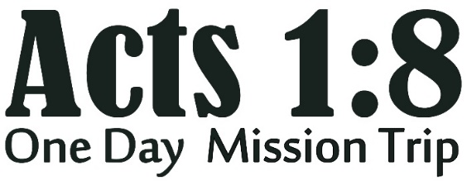 |  |  | Independence Association |  |  |  | Submit to khensley@absc.org for registrations to be complete
Please answer these 3 questions for your group: |  |  | 1. Your Association: (use dropdown) |  | 2. Church City: |  | 3. Church Name: |  | Kick-Off Site
 |  |  |  |  | CLICK HERE to enter your answer |  | CLICK HERE to enter your answer |  | BATESVILLE
Please list EACH person you are registering (all ages): |  |  |  |  |  |  |  | Information will be sent to each email provided
 | First Name | Last Name | Age on Oct 5 | Notes, comments, special or professional skills? | 1st ministry choice (choose from dropdown) | 2nd ministry choice (choose from dropdown) | 3rd ministry choice (choose from dropdown) | … … … … (please list if known) … … … Phone # Day/Eve/Cell? Email Address
1
2
3
4
5
6
7
8
9
10
11
12
13
14
15
16
17
18
19
20
21
22
23
24
25
26
27
28
29
30
31
32
33
34
35
36
37
38
39
40
41
42
43
44
45
46
47
48
49
50

